Relations
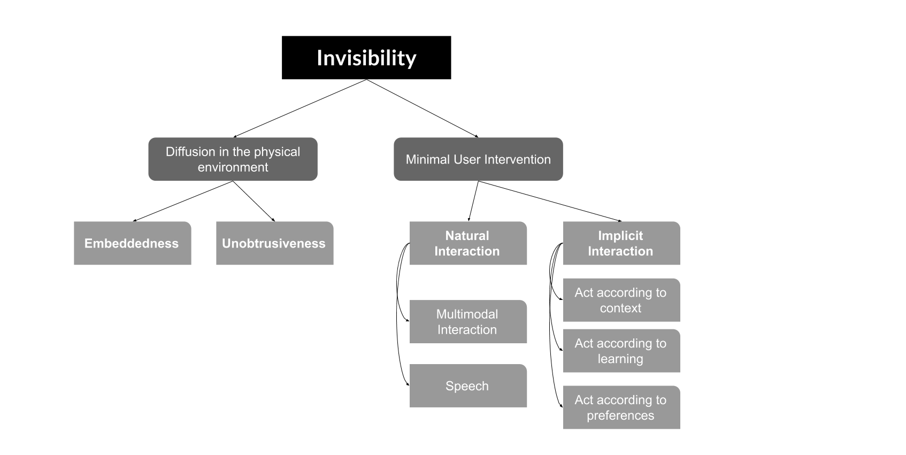

 | Evaluation
Invisibility Definition | I agree | I partially agree | I disagree | Comments | Suggestions
Minimal User Intervention
*Natural Interaction
**Speech
**Multimodal Interaction
*Implicit Interaction
**Act according to preferences
**Act according to context
**Act according to learning
Diffusion in the Physical Environment
*Unobtrusiveness
*Embeddedness

